M04
Speaker: M04 | Intelligibility: Very Low | Speech Vision Accuracy: 10.94

Model Name | Layers Frozen | Accuracy | Loss graph | Training accuracy graph
M04_E1.h5 | Encoder 1 | 7 | 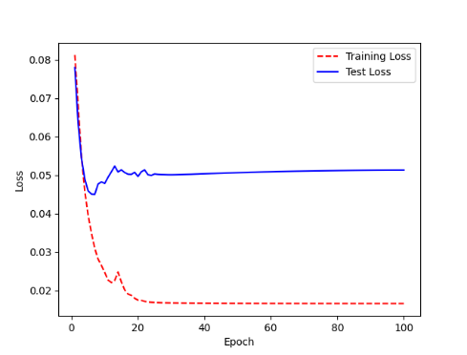 | 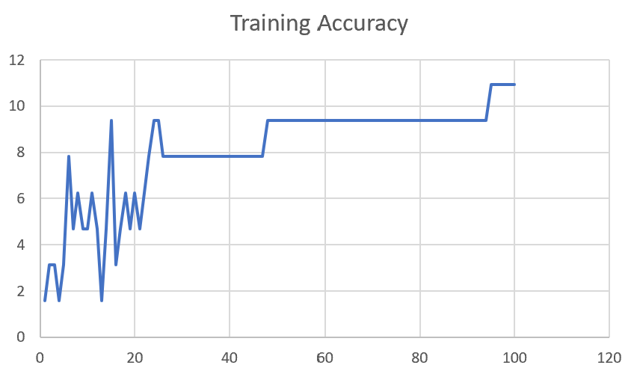

M04_E12.h5 | Encoder 12 | 5 | 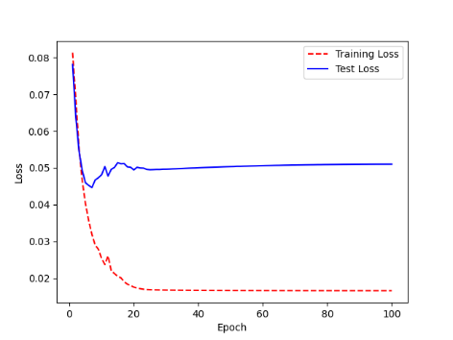 | 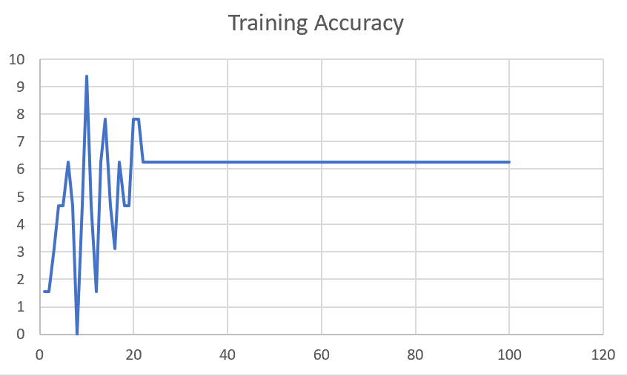

M04_E123 | Encoder 123 | 7 | 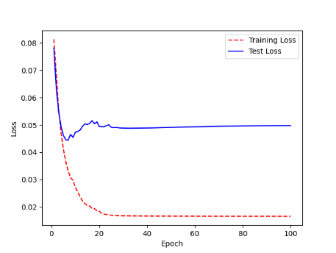 | 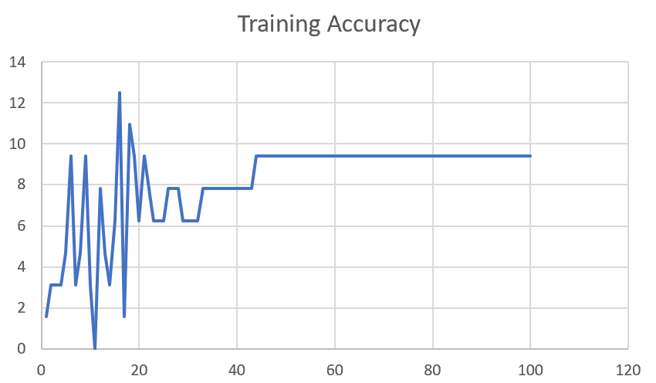

M04_E1234 | Encode 1234 | 6 |  | 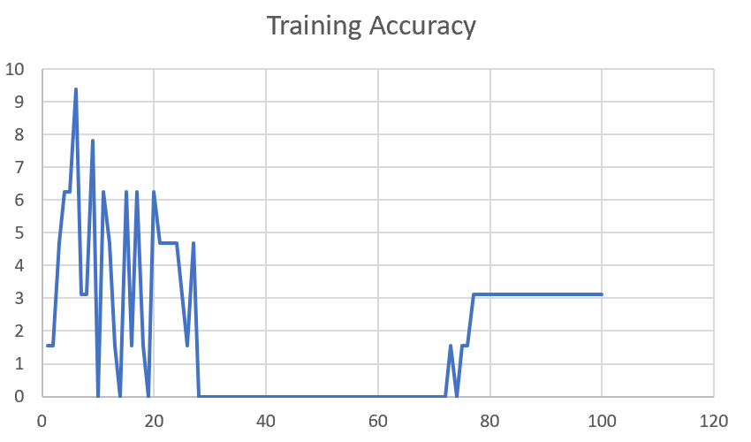

M04_E12345 | Encode 12345 | 6 | 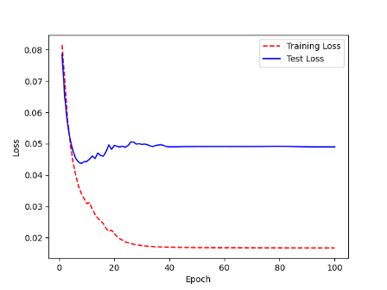 | 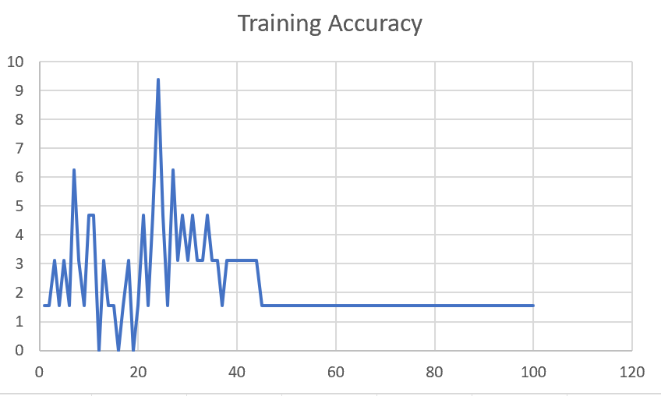

M04_TE | Token Embeddings | 7 | 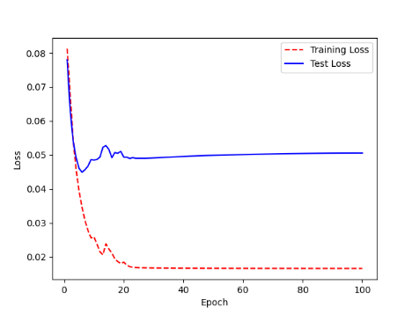 | 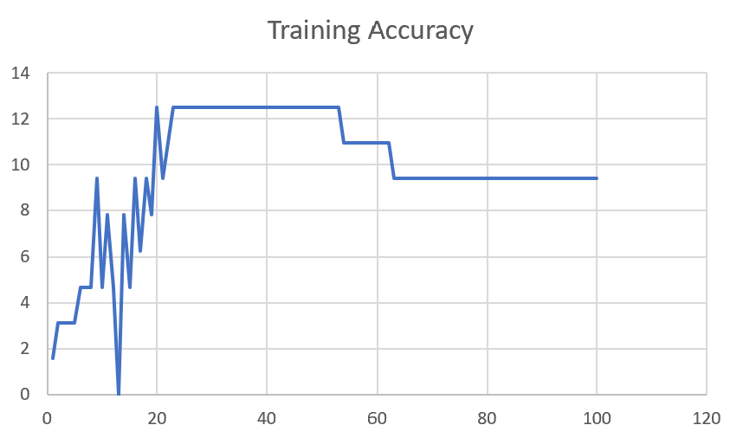

M04_T3+D123 | Token Embeddings + Decoder 1 | 6 | 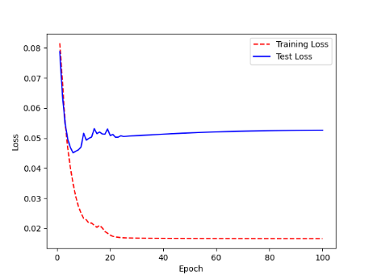 | 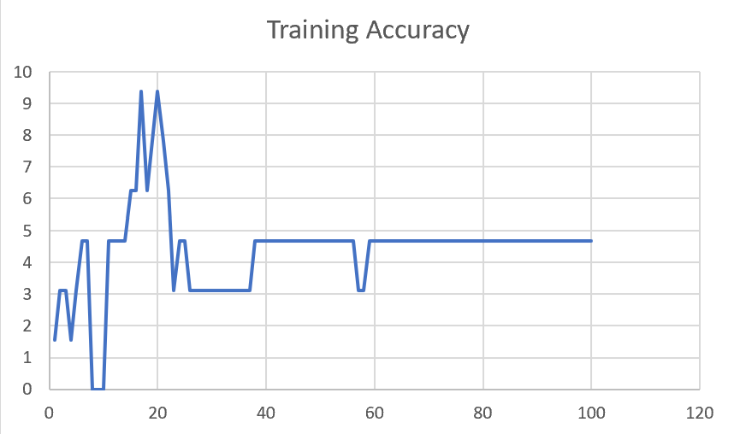

M04_T3+D12 | Token Embeddings + Decoder 12 | 6 | 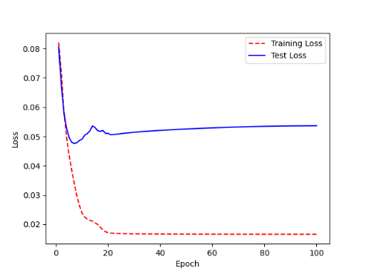 | 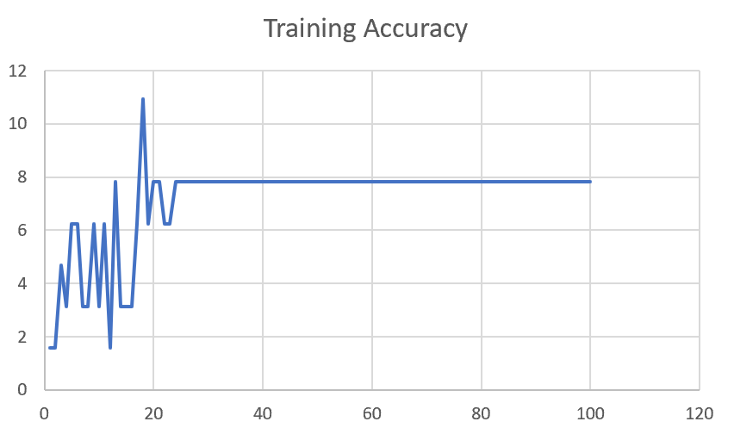

M04_T3+D1 | Token Embeddings + Decoder 123 | 5 | 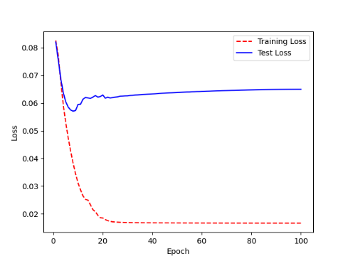 | 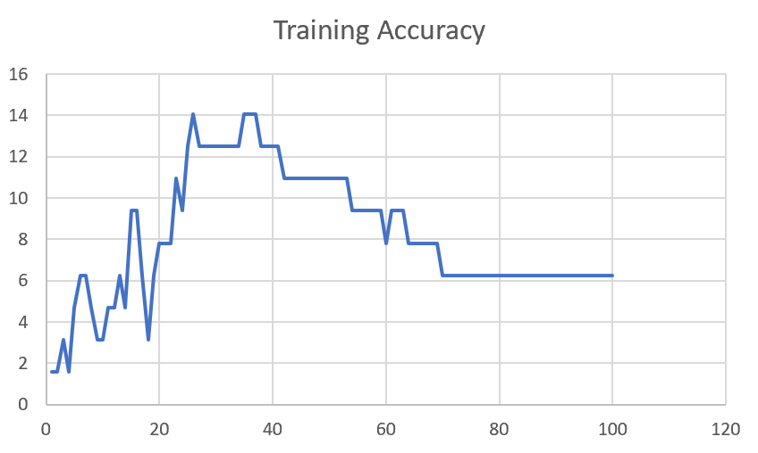

F02
Speaker: F02 | Intelligibility: Low | Speech Vision Accuracy: 67.02

Model Name | Layers Frozen | Accuracy | Loss graph | Training accuracy graph
F02_E1.h5 | Encoder 1 | 47 |  | 

F02_E12.h5 | Encoder 12 | 45 |  | 

F02_E123 | Encoder 123 | 47 |  | 

F02_E1234 | Encode 1234 | 43 |  | 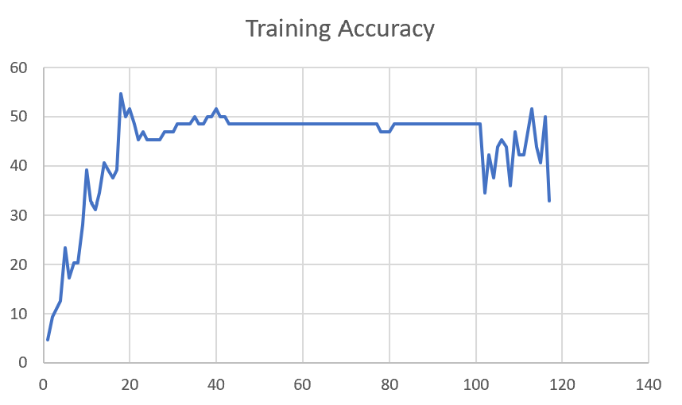

F02_E12345 | Encode 12345 | 41 | 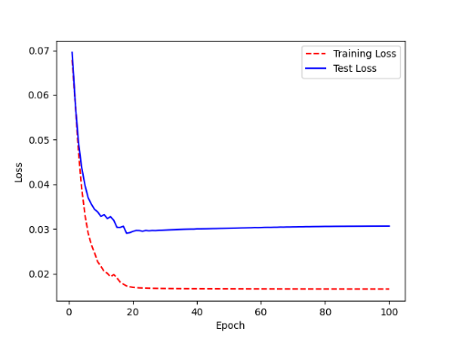 | 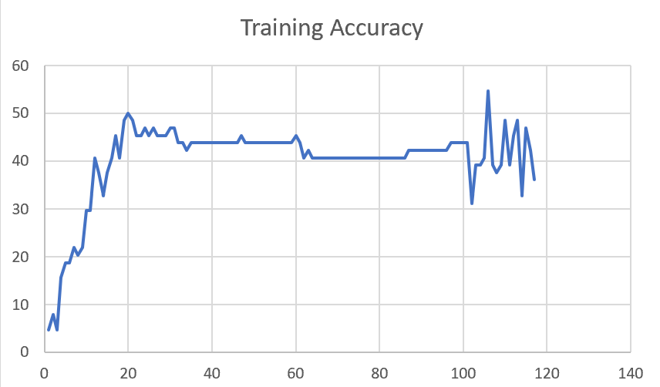

F02_t3 | Token Embeddings | 52 | 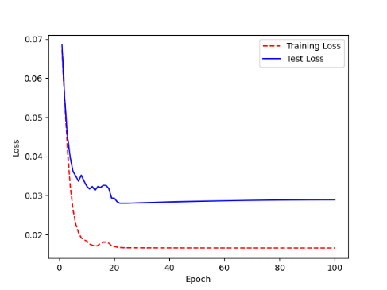 | 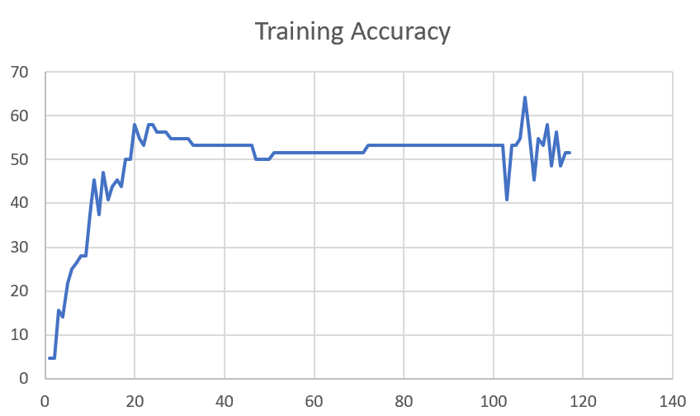

F02_T3+D123 | Token Embeddings + Decoder 123 | 45 | 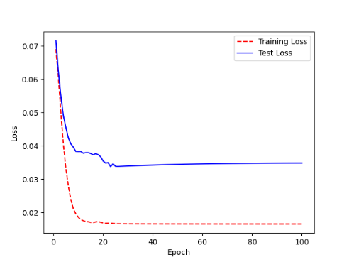 | 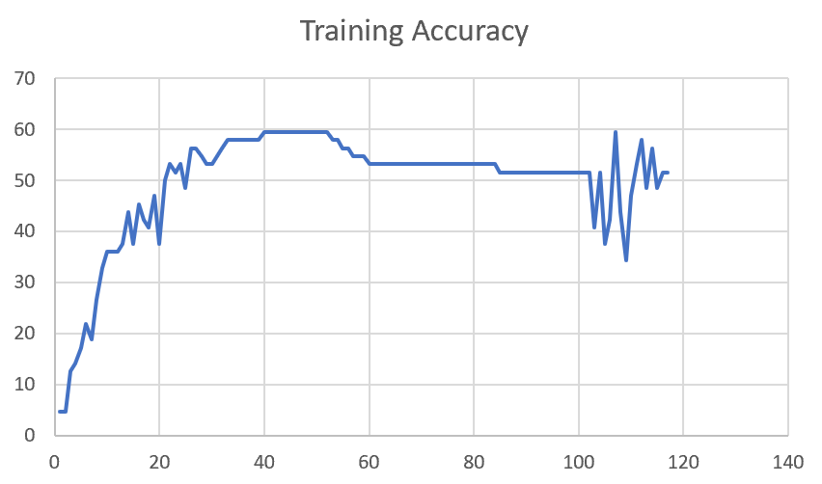

F02_T3+D12 | Token Embeddings + Decoder 12 | 50 | 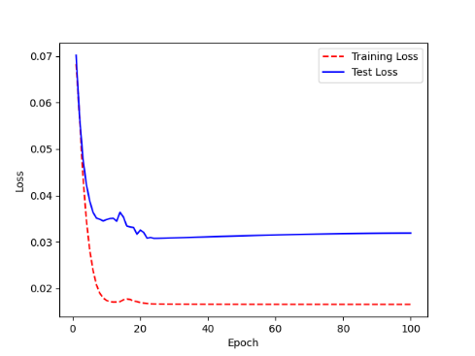 | 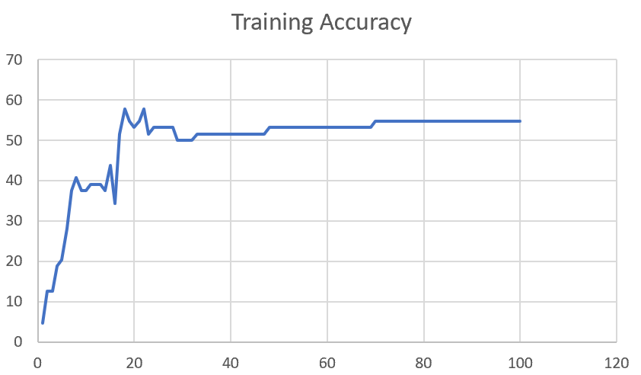

F02_T3+D1 | Token Embeddings + Decoder 1 | 50 | 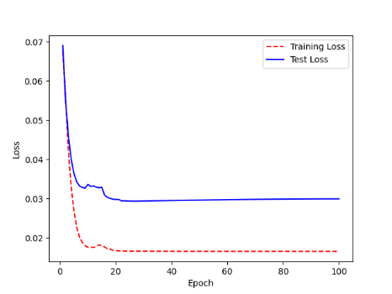 | 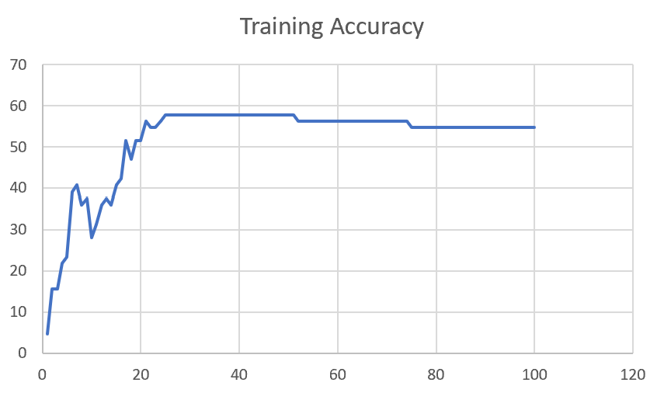

F03
Speaker: F03 | Intelligibility: Very Low | Speech Vision Accuracy: 32.47

Model Name | Layers Frozen | Accuracy | Loss graph | Training accuracy graph
F03_E1.h5 | Encoder 1 | 22 | 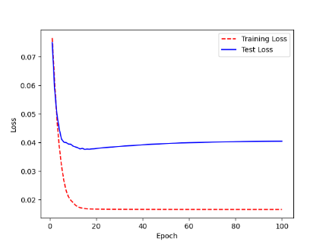 | 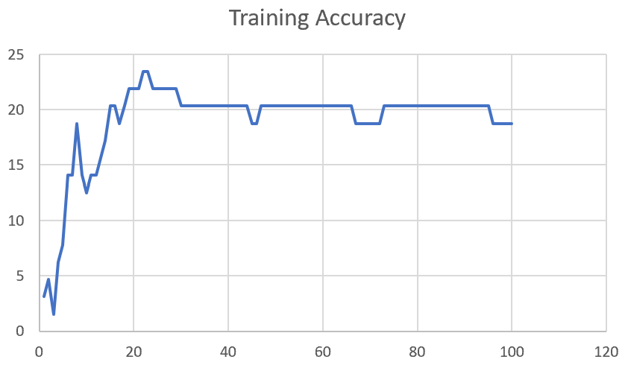

F03_E12.h5 | Encoder 12 | 25 | 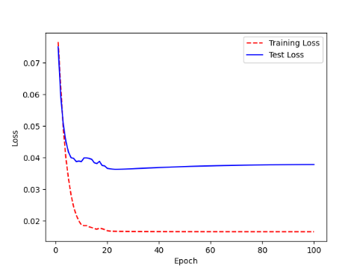 | 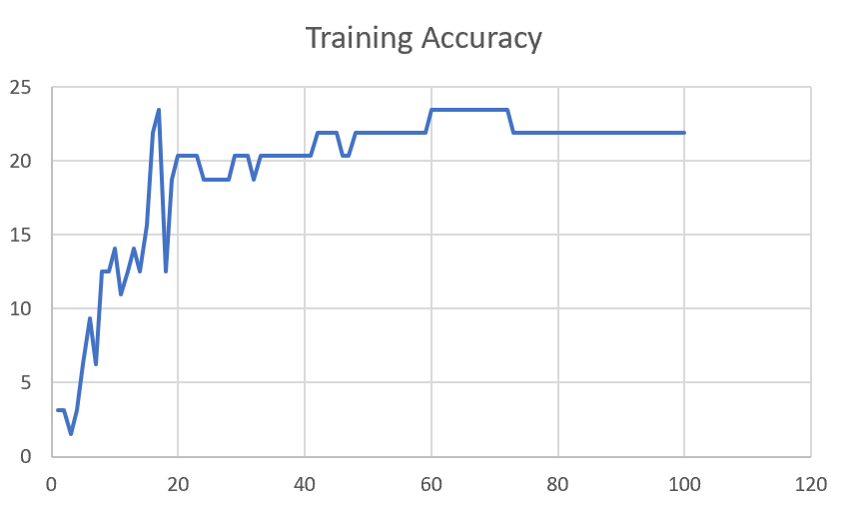

F03_E123 | Encoder 123 | 23 | 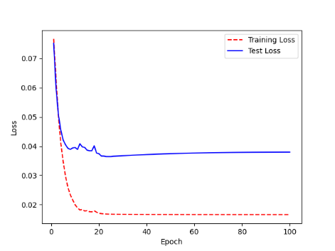 | 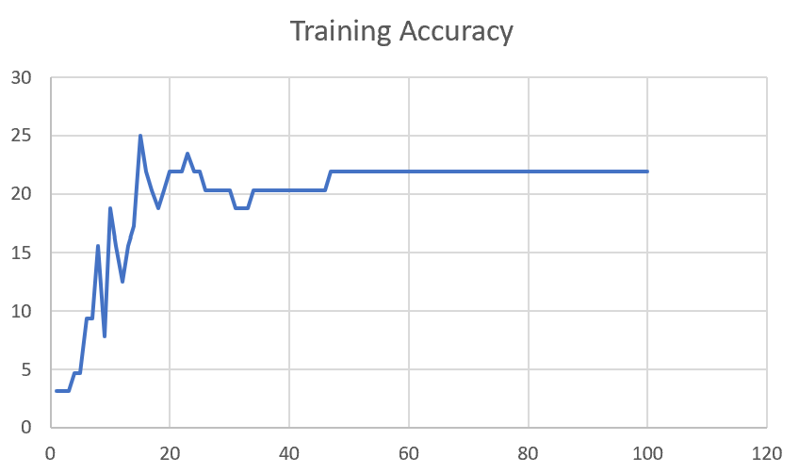

F03_E1234 | Encode 1234 | 20 | 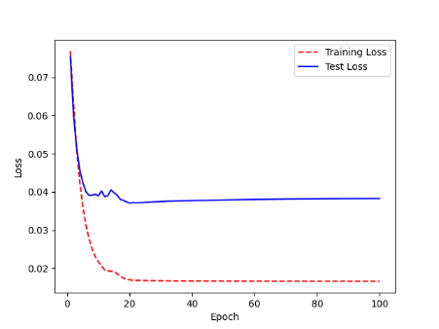 | 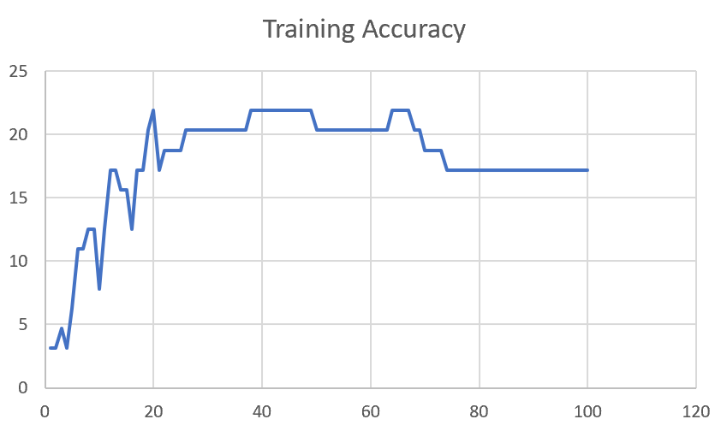

F03_E12345 | Encode 12345 | 19 |  | 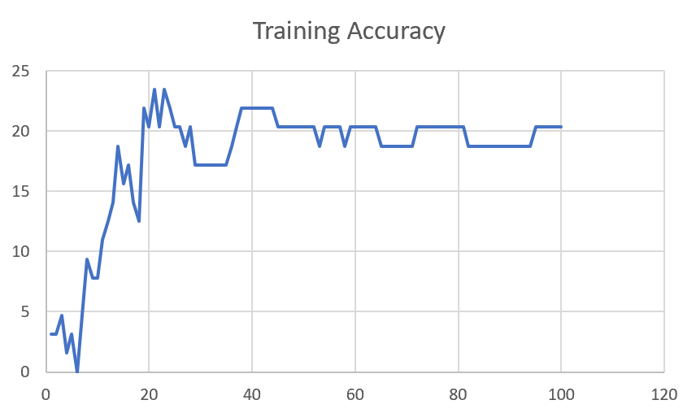

F03_TE | Token Embeddings | 28 |  | 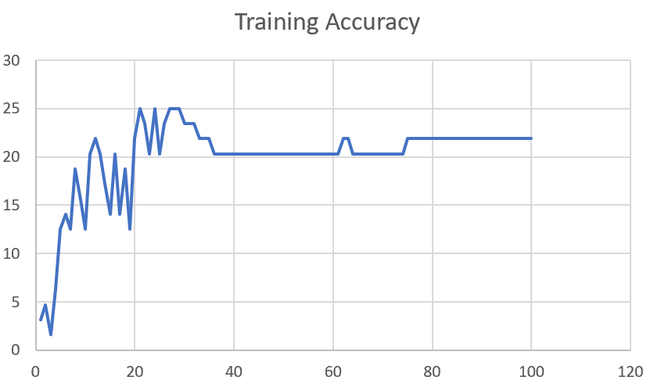

F03_T3+D123 | Token Embeddings + Decoder 1 | 29 |  | 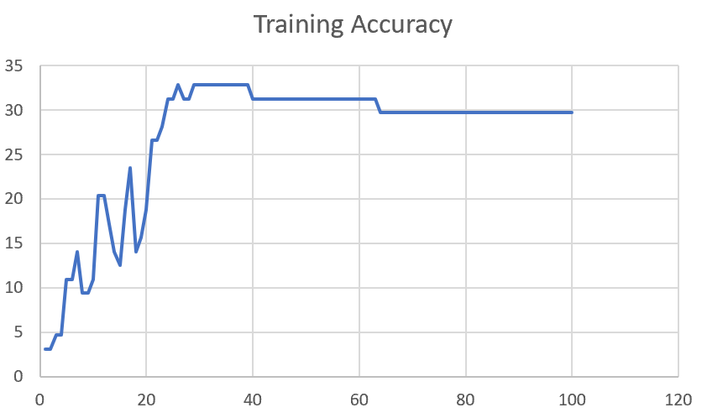

F03_T3+D12 | Token Embeddings + Decoder 12 | 25 | 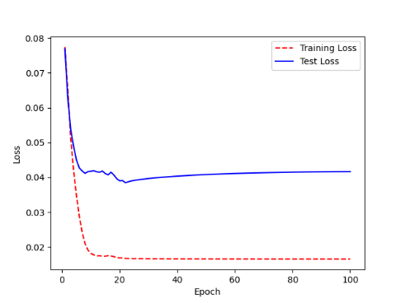 | 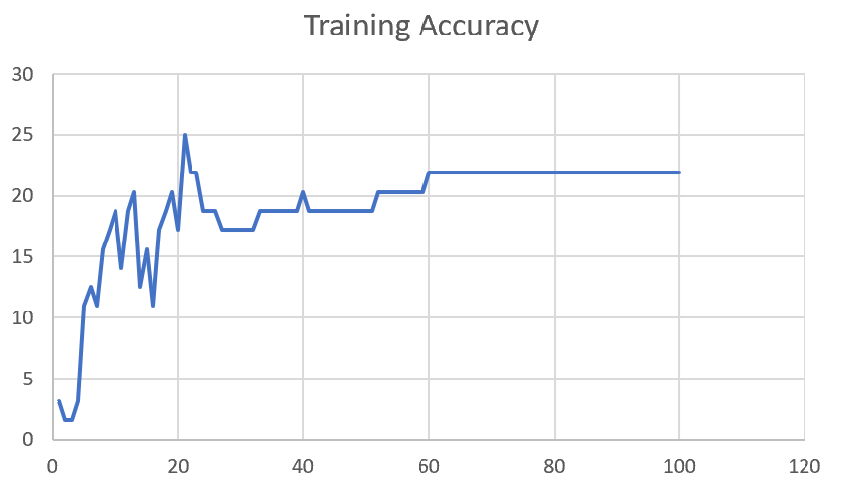

F03_T3+D1 | Token Embeddings + Decoder 123 | 22 | 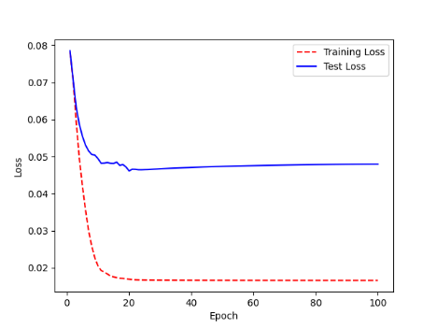 | 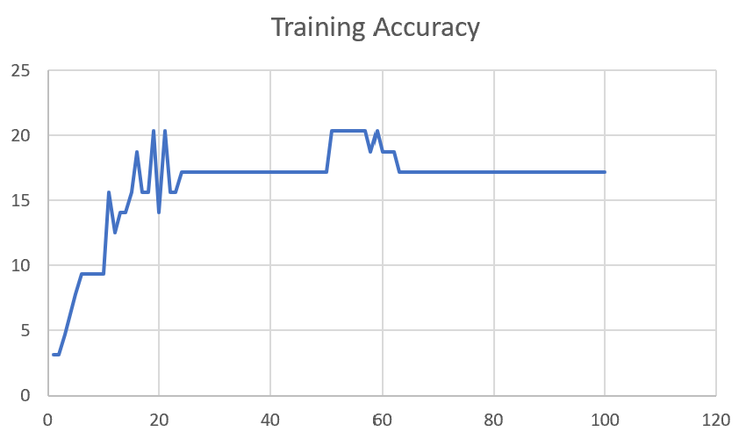

M12
Speaker: M12 | Intelligibility: Very Low | Speech Vision Accuracy: 40.65

Model Name | Layers Frozen | Accuracy | Loss graph | Training accuracy graph
M12_E1.h5 | Encoder 1 | 17 | 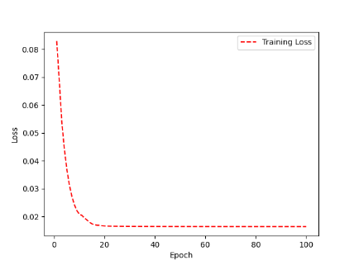 | 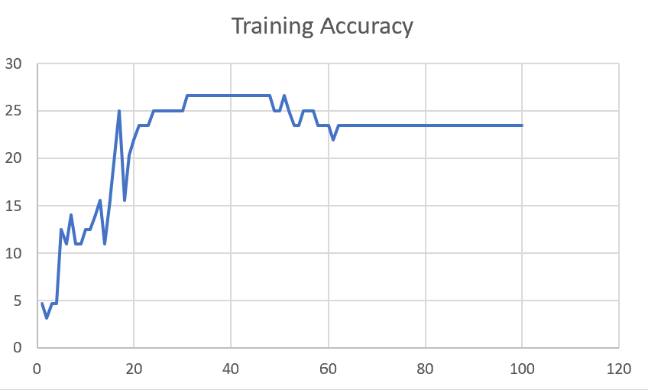

M12_E12.h5 | Encoder 12 | 18 |  | 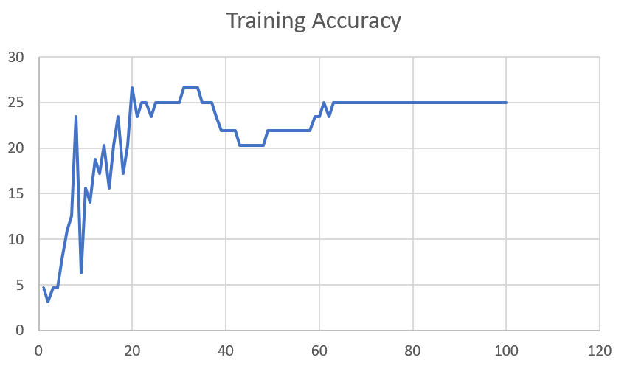

M12_E123 | Encoder 123 | 18 | 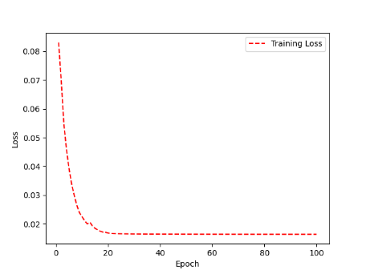 | 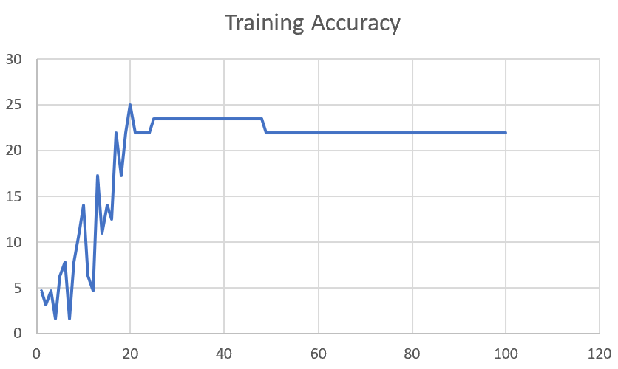

M12_E1234 | Encode 1234 | 14 | 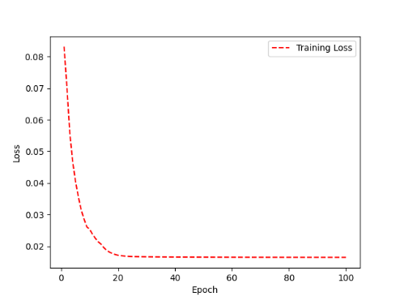 | 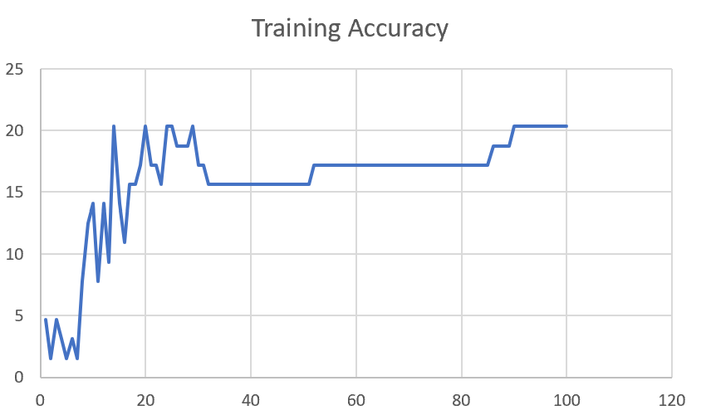

M12_E12345 | Encode 12345 | 16 |  | 

M12_TE | Token Embeddings | 19 |  | 

M12_T3+D123 | Token Embeddings + Decoder 1 | 17 |  | 

M12_T3+D12 | Token Embeddings + Decoder 12 | 16 |  | 

M12_T3+D1 | Token Embeddings + Decoder 123 | 13 |  | 

M12_D3 | Decoder 3 | 15 |  | 

M01
Speaker: M01 | Intelligibility: Very Low | Speech Vision Accuracy: 28.37

Model Name | Layers Frozen | Accuracy | Loss graph | Training accuracy graph
M01_E1.h5 | Encoder 1 | 24 |  | 

M01_E12.h5 | Encoder 12 | 22 |  | 

M01_E123 | Encoder 123 | 18 |  | 

M01_E1234 | Encode 1234 | 15 |  | 

M01_E12345 | Encode 12345 | 17 |  | 

M01_TE | Token Embeddings | 21 |  | 

M01_T3+D123 | Token Embeddings + Decoder 1 | 28 |  | 

M01_T3+D12 | Token Embeddings + Decoder 12 | 22 |  | 

M01_T3+D1 | Token Embeddings + Decoder 123 | 20 |  | 

M01_D3 | Decoder 3 | 26 |  | 

M07
Speaker: M07 | Intelligibility: Low | Speech Vision Accuracy: 69.46

Model Name | Layers Frozen | Accuracy | Loss graph | Training accuracy graph
M07_E1.h5 | Encoder 1 | 49 |  | 

M07_E12.h5 | Encoder 12 | 41 |  | 

M07_E123 | Encoder 123 | 39 |  | 

M07_E1234 | Encode 1234 | 35 |  | 

M07_E12345 | Encode 12345 | 38 |  | 

M07_TE | Token Embeddings | 49 |  | 

M07_T3+D123 | Token Embeddings + Decoder 1 | 47 |  | 

M07_T3+D12 | Token Embeddings + Decoder 12 | 50 |  | 

M07_T3+D1 | Token Embeddings + Decoder 123 | 48 |  | 

M01_D3 | Decoder 3 | 53 |  | 

M16
Speaker: M16 | Intelligibility: Low | Speech Vision Accuracy: 55.91

Model Name | Layers Frozen | Accuracy | Loss graph | Training accuracy graph
M16_E1.h5 | Encoder 1 | 56 |  | 

M16_E12.h5 | Encoder 12 | 50 |  | 

M16_E123 | Encoder 123 | 48 |  | 

M16_E1234 | Encode 1234 | 47 |  | 

M16_E12345 | Encode 12345 | 48 |  | 

M16_TE | Token Embeddings | 56 |  | 

M16_T3+D1 | Token Embeddings + Decoder 1 | 57 |  | 

M16_T3+D12 | Token Embeddings + Decoder 12 | 56 |  | 

M16_T3+D123 | Token Embeddings + Decoder 123 | 55 |  | 

M16_D3 | Decoder 3 | 57 |  | 

M05
Speaker: M05 | Intelligibility: Mild | Speech Vision Accuracy: 64.95

Model Name | Layers Frozen | Accuracy | Loss graph | Training accuracy graph
M05_E1.h5 | Encoder 1 | 52 |  | 

M05_E12.h5 | Encoder 12 | 48 |  | 

M05_E123 | Encoder 123 | 48 |  | 

M05_E1234 | Encode 1234 | 48 |  | 

M05_E12345 | Encode 12345 | 52 |  | 

M05_TE | Token Embeddings | 53 |  | 

M05_T3+D1 | Token Embeddings + Decoder 1 | 55 |  | 

M05_T3+D12 | Token Embeddings + Decoder 12 | 55 |  | 

M05_T3+D123 | Token Embeddings + Decoder 123 | 48 |  | 

M05_D3 | Decoder 3 | 56 |  | 

M11
Speaker: M11 | Intelligibility: Mild | Speech Vision Accuracy: 49.68

Model Name | Layers Frozen | Accuracy | Loss graph | Training accuracy graph
M11_E1.h5 | Encoder 1 | 41 |  | 

M11_E12.h5 | Encoder 12 | 43 |  | 

M11_E123 | Encoder 123 | 42 |  | 

M11_E1234 | Encode 1234 | 43 |  | 

M11_E12345 | Encode 12345 | 41 |  | 

M11_TE | Token Embeddings | 51 |  | 

M11_T3+D1 | Token Embeddings + Decoder 1 | 42 |  | 

M11_T3+D12 | Token Embeddings + Decoder 12 | 42 |  | 

M11_T3+D123 | Token Embeddings + Decoder 123 | 44 |  | 

M11_D3 | Decoder 3 | 49 |  | 

F04
Speaker: F04 | Intelligibility: Mild | Speech Vision Accuracy: 54.75

Model Name | Layers Frozen | Accuracy | Loss graph | Training accuracy graph
F04_E1.h5 | Encoder 1 | 55 |  | 

F04_E12.h5 | Encoder 12 | 51 |  | 

F04_E123 | Encoder 123 | 59 |  | 

F04_E1234 | Encode 1234 | 58 |  | 

F04_E12345 | Encode 12345 | 54 |  | 

F04_TE | Token Embeddings | 64 |  | 

F04_T3+D1 | Token Embeddings + Decoder 1 | 61 |  | 

F04_T3+D12 | Token Embeddings + Decoder 12 | 54 |  | 

F04_T3+D123 | Token Embeddings + Decoder 123 | 57 |  | 

F04_D3 | Decoder 3

M09
Speaker: M09 | Intelligibility: High | Speech Vision Accuracy: 85.16

Model Name | Layers Frozen | Accuracy | Loss graph | Training accuracy graph
M09_E1.h5 | Encoder 1 | 77 |  | 

M09_E12.h5 | Encoder 12 | 78 |  | 

M09_E123 | Encoder 123 | 78 |  | 

M09_E1234 | Encode 1234 | 78 |  | 

M09_E12345 | Encode 12345 | 79 |  | 

M09_TE | Token Embeddings | 80 |  | 

M09_T3+D1 | Token Embeddings + Decoder 1 | 74 |  | 

M09_T3+D12 | Token Embeddings + Decoder 12 | 75 |  | 

M09_T3+D123 | Token Embeddings + Decoder 123 | 76 |  | 

M09_D3 | Decoder 3 | 82 |  | 

M14
Speaker: M14 | Intelligibility: High | Speech Vision Accuracy: 86.45

Model Name | Layers Frozen | Accuracy | Loss graph | Training accuracy graph
M14_E1.h5 | Encoder 1 | 78 |  | 

M14_E12.h5 | Encoder 12 | 77 |  | 

M14_E123 | Encoder 123 | 78 |  | 

M14_E1234 | Encode 1234 | 75 |  | 

M14_E12345 | Encode 12345 | 80 |  | 

M14_TE | Token Embeddings | 79 |  | 

M14_T3+D1 | Token Embeddings + Decoder 1 | 80 |  | 

M14_T3+D12 | Token Embeddings + Decoder 12

M14_T3+D123 | Token Embeddings + Decoder 123

M14_D3 | Decoder 3

Sheet1
 |  |  | Training Accuracy
0 | 0.4375 | 1 | 56.25
1 | 0.421875 | 2 | 57.8125
2 | 0.390625 | 3 | 60.9375
3 | 0.296875 | 4 | 70.3125
4 | 0.3125 | 5 | 68.75
5 | 0.3125 | 6 | 68.75
6 | 0.34375 | 7 | 65.625
7 | 0.328125 | 8 | 67.1875
8 | 0.3125 | 9 | 68.75
9 | 0.296875 | 10 | 70.3125
10 | 0.265625 | 11 | 73.4375
11 | 0.3125 | 12 | 68.75
12 | 0.28125 | 13 | 71.875
13 | 0.234375 | 14 | 76.5625
14 | 0.28125 | 15 | 71.875
15 | 0.265625 | 16 | 73.4375
16 | 0.390625 | 17 | 60.9375
17 | 0.3125 | 18 | 68.75
18 | 0.234375 | 19 | 76.5625
19 | 0.25 | 20 | 75
20 | 0.3125 | 21 | 68.75
21 | 0.328125 | 22 | 67.1875
22 | 0.28125 | 23 | 71.875
23 | 0.265625 | 24 | 73.4375
24 | 0.3125 | 25 | 68.75
25 | 0.25 | 26 | 75
26 | 0.265625 | 27 | 73.4375
27 | 0.28125 | 28 | 71.875
28 | 0.25 | 29 | 75
29 | 0.28125 | 30 | 71.875
30 | 0.25 | 31 | 75
31 | 0.25 | 32 | 75
32 | 0.25 | 33 | 75
33 | 0.25 | 34 | 75
34 | 0.234375 | 35 | 76.5625
35 | 0.234375 | 36 | 76.5625
36 | 0.25 | 37 | 75
37 | 0.265625 | 38 | 73.4375
38 | 0.265625 | 39 | 73.4375
39 | 0.265625 | 40 | 73.4375
40 | 0.265625 | 41 | 73.4375
41 | 0.265625 | 42 | 73.4375
42 | 0.265625 | 43 | 73.4375
43 | 0.265625 | 44 | 73.4375
44 | 0.265625 | 45 | 73.4375
45 | 0.265625 | 46 | 73.4375
46 | 0.265625 | 47 | 73.4375
47 | 0.265625 | 48 | 73.4375
48 | 0.265625 | 49 | 73.4375
49 | 0.265625 | 50 | 73.4375
50 | 0.265625 | 51 | 73.4375
51 | 0.265625 | 52 | 73.4375
52 | 0.265625 | 53 | 73.4375
53 | 0.265625 | 54 | 73.4375
54 | 0.265625 | 55 | 73.4375
55 | 0.265625 | 56 | 73.4375
56 | 0.265625 | 57 | 73.4375
57 | 0.265625 | 58 | 73.4375
58 | 0.265625 | 59 | 73.4375
59 | 0.265625 | 60 | 73.4375
60 | 0.265625 | 61 | 73.4375
61 | 0.265625 | 62 | 73.4375
62 | 0.265625 | 63 | 73.4375
63 | 0.265625 | 64 | 73.4375
64 | 0.265625 | 65 | 73.4375
65 | 0.265625 | 66 | 73.4375
66 | 0.265625 | 67 | 73.4375
67 | 0.265625 | 68 | 73.4375
68 | 0.265625 | 69 | 73.4375
69 | 0.265625 | 70 | 73.4375
70 | 0.265625 | 71 | 73.4375
71 | 0.265625 | 72 | 73.4375
72 | 0.265625 | 73 | 73.4375
73 | 0.265625 | 74 | 73.4375
74 | 0.265625 | 75 | 73.4375
75 | 0.265625 | 76 | 73.4375
76 | 0.265625 | 77 | 73.4375
77 | 0.265625 | 78 | 73.4375
78 | 0.265625 | 79 | 73.4375
79 | 0.265625 | 80 | 73.4375
80 | 0.265625 | 81 | 73.4375
81 | 0.265625 | 82 | 73.4375
82 | 0.265625 | 83 | 73.4375
83 | 0.265625 | 84 | 73.4375
84 | 0.265625 | 85 | 73.4375
85 | 0.265625 | 86 | 73.4375
86 | 0.265625 | 87 | 73.4375
87 | 0.265625 | 88 | 73.4375
88 | 0.265625 | 89 | 73.4375
89 | 0.265625 | 90 | 73.4375
90 | 0.265625 | 91 | 73.4375
91 | 0.265625 | 92 | 73.4375
92 | 0.265625 | 93 | 73.4375
93 | 0.265625 | 94 | 73.4375
94 | 0.265625 | 95 | 73.4375
95 | 0.265625 | 96 | 73.4375
96 | 0.265625 | 97 | 73.4375
97 | 0.265625 | 98 | 73.4375
98 | 0.265625 | 99 | 73.4375
99 | 0.265625 | 100 | 73.4375
<__main__.DisplayOutputs object at 0x7f323c1cdbb0> | 0.265625 | #VALUE! | 73.4375
<__main__.DisplayOutputs object at 0x7f323c1cdbb0> | 0.109375 | #VALUE! | 89.0625
<__main__.DisplayOutputs object at 0x7f323c1cdbb0> | 0.15625 | #VALUE! | 84.375
<__main__.DisplayOutputs object at 0x7f323c1cdbb0> | 0.234375 | #VALUE! | 76.5625
<__main__.DisplayOutputs object at 0x7f323c1cdbb0> | 0.140625 | #VALUE! | 85.9375
<__main__.DisplayOutputs object at 0x7f323c1cdbb0> | 0.25 | #VALUE! | 75
<__main__.DisplayOutputs object at 0x7f323c1cdbb0> | 0.265625 | #VALUE! | 73.4375
<__main__.DisplayOutputs object at 0x7f323c1cdbb0> | 0.203125 | #VALUE! | 79.6875
<__main__.DisplayOutputs object at 0x7f323c1cdbb0> | 0.203125 | #VALUE! | 79.6875
<__main__.DisplayOutputs object at 0x7f323c1cdbb0> | 0.171875 | #VALUE! | 82.8125
<__main__.DisplayOutputs object at 0x7f323c1cdbb0> | 0.171875 | #VALUE! | 82.8125
<__main__.DisplayOutputs object at 0x7f323c1cdbb0> | 0.234375 | #VALUE! | 76.5625
<__main__.DisplayOutputs object at 0x7f323c1cdbb0> | 0.171875 | #VALUE! | 82.8125
<__main__.DisplayOutputs object at 0x7f323c1cdbb0> | 0.171875 | #VALUE! | 82.8125
<__main__.DisplayOutputs object at 0x7f323c1cdbb0> | 0.15625 | #VALUE! | 84.375
<__main__.DisplayOutputs object at 0x7f323c1cdbb0> | 0.28125 | #VALUE! | 71.875
<__main__.DisplayOutputs object at 0x7f323c1cdbb0> | 0.22950819672 | #VALUE! | 77.049180328
<__main__.DisplayOutputs object at 0x7fcfe04bb910> | 0.640625
<__main__.DisplayOutputs object at 0x7fcfe04bb910> | 0.50819672131

